#1-EXAMPLE MAP
LPA REQUIREMENT #1 - Property Risk Assessment - Example map
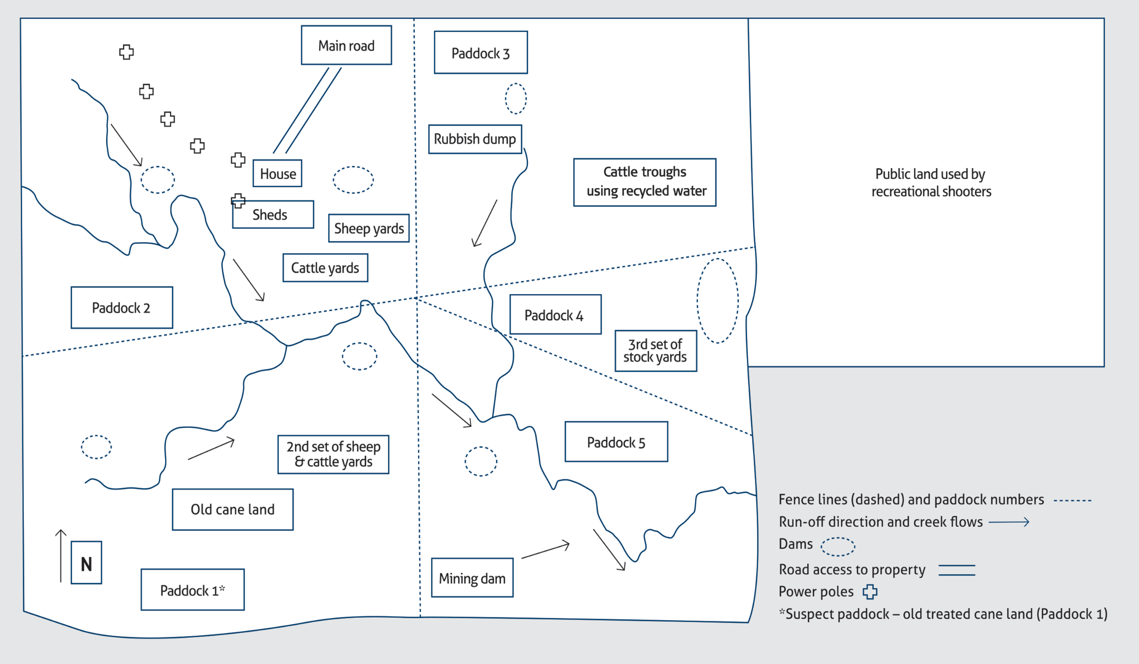
EXAMPLE MAP

#1-PROPERTY RISK ASSESSMENT
LPA REQUIREMENT #1 - Property risk assessment - Documentation
The risk assessment involves mapping the property for potential risk sites and recording management of such sites, to ensure a livestock producer is doing all they can to prevent unacceptable levels of persistent chemicals, pathogens from recycled water, or physical contaminants entering the meat they produce. The risk assessment should be reviewed periodically and updated according to changes in land use and management. Responses to the risk assessment questions and the map must be documented and filed, and both made available should the property be subject to an LPA audit. *You can complete and save property risk assessments and biosecurity plans online in your LPA account.

Possible contaminated site (refer to property map) | Reason or risk identified | Results received (soil or fat samples) | Description of how site is managed to eliminate the risk of livestock contamination | Date reviewed | Action required?
Rubbish dump | Old chemical drums, batteries | Soil sample: Dieldren 0.20mg/kg, BHC 0.40mg/kg | Rubbish dump fenced out 2005 | 2021-07-31 | Review in 12 months
Stock yards | Plunge dip / Timber yards treated for termite control | NA | Cattle and sheep yards - plunge dip no longer in use and section of yards not used. Aware of timber yards treated for termite control. | 2021-07-03 | No
EXAMPLE RECORDS
Chemical storage shed and washdown area Sheds Machinery sheds Machinery | Sump oil and old batteries Timber treated for termite control Hydraulic oil on machinery Chemical storage and area used to clean out spray equipment | NA | Sheds - have area where old batteries and sump oil placed, fenced 2007 and also contains washed chemical drums ready for DrumMuster collection. Aware of machinery with oil leaks and endeavour not to leave machinery in paddocks where stock are. | 2021-09-17 | No
Power poles | Organochlorine ground treated poles | Soil sample: Dieldren 0.60mg/kg | Power poles to house and sheds are pre-1987. Organochlorine ground treated poles. Old pole removed from paddock.
Mining dam | Possible heavy metals |  | Stock not allowed access to dam. Stock in paddock must be on clean feed for 60 days before slaughter.
Paddock 1 – Old cane paddock | Paddock 1 – old treated cane paddock | Soil sample: DDT 0.15mg/kg | Sale cattle restricted access. Stock in paddock must be on clean feed for 60 days before slaughter.
Public road / adjacent public land | Potential for physical contamination. Rubbish from travellers including lead batteries | NA | Gates locked. Areas neighbouring public roads/lands checked for rubbish on a regular basis. Rubbish removal as required.
Potential physical contamination | Potential for physical contamination | NA | Potential for physical contamination minimised by collection of all loose fencing wire / clear policy regarding the use of firearms on the property.
Treated recycled water used for irrigation | Potential for presence of pathogen that can cause beef measles (Cysticercus bovis or C. bovis) in cattle. | Documentation from water supplier that water has been treated to achieve a: - Log Reduction Value (LRV) of 4.0 in T. saginata egg concentration or equivalent; or - LRV of 3.0 - only if the producer is supplying other fresh drinking water to cattle | The recycled water supplier has confirmed that the recycled water has been adequately treated. Other fresh drinking water is available to cattle. If exposed to inadequately treated recycled water, cattle are identified, traceable and declared as exposed to C. bovis on outoing NVDs.

. | . | . | . | . | . | . | .

